UK
Registered User: | Free Trial Version - Not For Commercial Use |  |  |  |  |  |  |  |  |  |  | © 2017 CivilWeb
Your Logo / Company Details Here | Project: |  |  |  |  |  |  |  |  |  |  | By:
 | Calculation: |  | Attenuation System Design
 |  |  |  |  |  |  |  |  |  |  |  | Approved:
 | Sheet Number: |  | 1 |  |  |  |  | Date:

 |  | Catchment Details
 |  | Catchment Area |  |  |  |  |  |  |  | 4,000 | m²
 |  | Runoff Coefficient |  |  |  |  |  |  |  | 0.85
 |  | Location Code |  |  |  |  |  |  |  | C
 |  | Return Period |  |  |  |  |  |  |  | 10 | years
 |  | Climate Change Factor |  |  |  |  |  |  |  | 5 | %

 |  | UK Rainfall Map
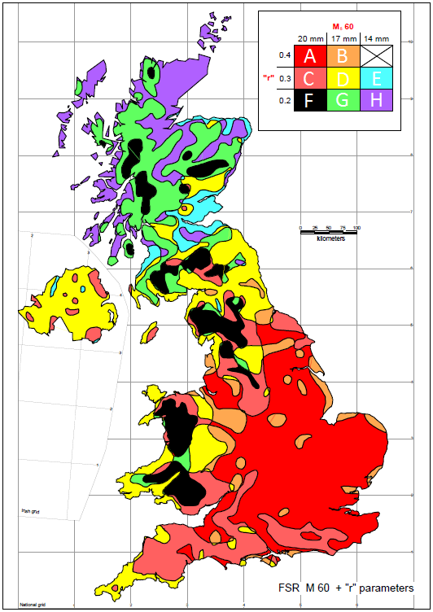

Your Logo / Company Details Here | Project: |  |  |  |  |  |  |  |  |  |  | By:
 | Calculation: |  | Attenuation System Design
 |  |  |  |  |  |  |  |  |  |  |  | Approved:
 | Sheet Number: |  | 2 |  |  |  |  | Date:

 |  | Attenuation Tank Outflow |  |  |  | 10 | l/s |  |  |  |  | Acceptable

 |  | Results Table

 |  | Storm Duration (Mins) |  |  | Inflow (l) |  | Outflow (l) |  | Storage Required (m³) |  |  |  | 0
 |  | 5 |  |  | 26,626 |  | 3,000 |  | 24 |  |  |  | 5
 |  | 10 |  |  | 39,806 |  | 6,000 |  | 34 |  |  |  | 10
 |  | 15 |  |  | 48,731 |  | 9,000 |  | 40 |  |  |  | 15
 |  | 30 |  |  | 65,867 |  | 18,000 |  | 48 |  |  |  | 30
 |  | 45 |  |  | 77,112 |  | 27,000 |  | 50 |  |  |  | 45
 |  | 60 |  |  | 85,680 |  | 36,000 |  | 50 |  |  |  | 60
 |  | 120 |  |  | 108,528 |  | 72,000 |  | 37 |  |  |  | 120
 |  | 240 |  |  | 135,660 |  | 144,000 |  | 0 |  |  |  | 240
 |  | 480 |  |  | 171,360 |  | 288,000 |  | 0 |  |  |  | 480

 |  | Attenuation Tank Design |  |  |  |  | Tank Cross Section |  |  |  | Tank Plan
 |  |  |  |  |  |  | 8m |  | 2m
0 | 1.875 | 0 | 5.4 | -0.4 | 1.875 | 2.5 | 5.4 | -0.4 | 2.5
5 | 1.875 | 5 | 5.4 | -0.4 | 3.125
5 | 3.125
0 | 3.125
0 | 1.875
0 | 1.875
0 | 1.875
0 | 1.875
0 | 1.875
0 | 1.875
0 | 1.875
0 | 1.875
0 | 1.875
0 | 1.875
0 | 1.875
0 | 1.875
0 | 1.875
0 | 1.875
0 | 1.875
0 | 1.875
0 | 1.875
0 | 1.875
0 | 1.875
0 | 1.875
0 | 1.875
0 | 1.875
0 | 1.875
0 | 1.875
0 | 1.875
0 | 1.875
0 | 1.875
0 | 1.875
0 | 1.875
0 | 1.875
0 | 1.875
0 | 1.875
0 | 1.875
0 | 1.875
0 | 1.875
0 | 1.875
0 | 1.875
0 | 1.875
0 | 1.875
0 | 1.875
0 | 1.875
0 | 1.875
0 | 1.875
0 | 1.875
0 | 1.875
0 | 1.875
...
 |  |  |  |  |  |  | 8m |  | 8m
0 | 0 | 0 | 5.4 | 5.4 | 0 | 2.5 | 5.4 | 5.4 | 2.5
5 | 0 | 5 | 5.4 | 5.4 | 5
5 | 5
0 | 5
0 | 0
 |  | Tank Shape |  | Rectangular
 |  | Number of Tanks |  | 1
 |  | Length |  | 8 |  | m
 |  | Width |  | 8 |  | m
 |  | Effective Depth |  | 2 |  | m
 |  | Void Percentage |  | 90 |  | %

 |  | Storage Area Required |  |  | 50 |  | m³
 |  | Storage Area Provided |  |  | 115.2 |  | m³ |  |  |  |  | Acceptable

 |  | Time for Emptying 50% |  |  |  | 0.7 | hours |  |  |  |  | Acceptable
0 | 0 | 0 | 50
5 | 24 | 45 | 50
10 | 34
15 | 40
30 | 48
45 | 50
60 | 50
120 | 37
240 | 0
480 | 0

Known inflow
Registered User: | Free Trial Version - Not For Commercial Use |  |  |  |  |  |  |  |  |  | © 2017 CivilWeb
Your Logo / Company Details Here | Project: |  |  |  |  |  |  |  |  |  | By:
 | Calculation: |  | Attenuation System Design
 |  |  |  |  |  |  |  |  |  |  | Approved:
 | Sheet Number: |  | 1 |  |  |  |  | Date:

 |  | Catchment Details
 |  | Catchment Area |  |  |  |  |  |  | 9,000 | m²
 |  | Runoff Coefficient |  |  |  |  |  |  | 0.85
 |  | Design Storm Intensity |  |  |  |  |  |  | 15 | mm/hr
 |  | Design Storm Duration |  |  |  |  |  |  | 60 | mins

 |  | Attenuation Tank Outflow |  |  |  | 10 | l/s

 |  | Results

 |  | Storage Volume Required |  |  |  | 78.75 |  | m³

 |  | Attenuation Tank Design |  |  |  |  | Tank Cross Section |  |  | Tank Plan
 |  |  |  |  |  |  | 4m |  | 3m
0.5 | 1 | 0.5 | 5.4 | -0.4 | 1 | 2.5 | 5.4 | -0.4 | 2.5
4.5 | 1 | 4.5 | 5.4 | -0.4 | 4
4.5 | 4
0.5 | 4
0.5 | 1
0.5 | 1
0.5 | 1
0.5 | 1
0.5 | 1
0.5 | 1
0.5 | 1
0.5 | 1
0.5 | 1
0.5 | 1
0.5 | 1
0.5 | 1
0.5 | 1
0.5 | 1
0.5 | 1
0.5 | 1
0.5 | 1
0.5 | 1
0.5 | 1
0.5 | 1
0.5 | 1
0.5 | 1
0.5 | 1
0.5 | 1
0.5 | 1
0.5 | 1
0.5 | 1
0.5 | 1
0.5 | 1
0.5 | 1
0.5 | 1
0.5 | 1
0.5 | 1
0.5 | 1
0.5 | 1
0.5 | 1
0.5 | 1
0.5 | 1
0.5 | 1
0.5 | 1
0.5 | 1
0.5 | 1
0.5 | 1
0.5 | 1
0.5 | 1
0.5 | 1
...
 |  |  |  |  |  |  | 4m |  | 10m
1.5 | 0 | 1.5 | 5.4 | 5.4 | 0 | 2.5 | 5.4 | 5.4 | 2.5
3.5 | 0 | 3.5 | 5.4 | 5.4 | 5
3.5 | 5
1.5 | 5
1.5 | 0
 |  | Tank Shape |  | Rectangular
 |  | Number of Tanks |  | 1
 |  | Length |  | 10 |  | m
 |  | Width |  | 4 |  | m
 |  | Effective Depth |  | 3 |  | m
 |  | Void Percentage |  | 90 |  | %

 |  | Storage Area Provided |  |  | 108 |  | m³ |  |  |  | Acceptable

 |  | Time for Emptying 50% |  |  |  | 1.1 | hours |  |  |  | Acceptable

