Contracted Rectangular - Metric
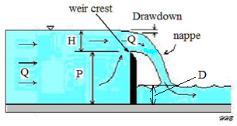
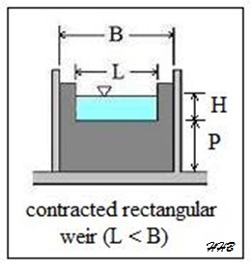
Registered User: | Free Trial Version |  |  |  |  |  |  |  | © 2021 CivilWeb
CivilWeb Consulting Engineers Ltd | Project: |  |  |  |  |  |  |  | By:
 | Calculation: |  | Contracted Rectangular Weir Design
 | Francis Equation or Kindsvater-Shen Equation |  |  |  |  |  |  |  | Approved:
 | Sheet Number: |  | 1 |  |  | Date:

 |  | Weir Details

 |  | Height of Weir Crest |  |  | P |  | 1 | m
 |  | Width of Channel |  |  | B |  | 6 | m
 |  | Width of Weir |  |  | L |  | 1 | m
 |  | Head over Weir |  |  | H |  | 0.3 | m
 |  | Depth of Water Downstream |  |  | D |  | 0.1 | m

 |  | Results

 |  | Weir is Fully Contracted
 |  | Flow Rate Over Weir |  | 284.20 | l/s

